Sheet1
Name : Shubham Balavant Randive |  | ANSWERS OF QUESTIONS |  |  |  |  |  |  |  |  | OUTPUT
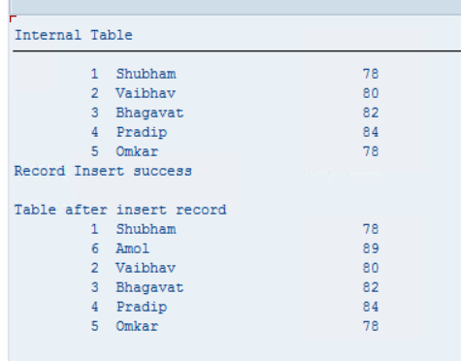
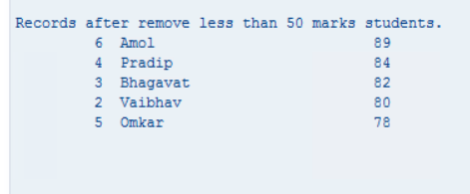
Program Name | ZINTERNAL_TABLE_ASS_SHUBHAM | *Part 1 – Creation *Q1: Create internal table with fields ID (I), NAME (C 20), MARKS (I). *Add 5 records using work area and APPEND. TYPES: BEGIN OF lty_data, id TYPE i, name(20) TYPE c, marks TYPE i, END OF lty_data. DATA: lt_data TYPE TABLE OF lty_data, lwa_data TYPE lty_data. lwa_data-id = 1. lwa_data-name = 'Shubham'. lwa_data-marks = 78. APPEND lwa_data TO lt_data. CLEAR lwa_data. lwa_data-id = 2. lwa_data-name = 'Vaibhav'. lwa_data-marks = 80. APPEND lwa_data TO lt_data. CLEAR lwa_data. lwa_data-id = 3. lwa_data-name = 'Bhagavat'. lwa_data-marks = 82. APPEND lwa_data TO lt_data. CLEAR lwa_data. lwa_data-id = 4. lwa_data-name = 'Pradip'. lwa_data-marks = 84. APPEND lwa_data TO lt_data. CLEAR lwa_data. lwa_data-id = 5. lwa_data-name = 'Omkar'. lwa_data-marks = 78. APPEND lwa_data TO lt_data. CLEAR lwa_data. |  | *Part 3 – Insert *Q3: Insert a new record at position 2 and display table again. lwa_data-id = 6. lwa_data-name = 'Amol'. lwa_data-marks = 89. INSERT lwa_data INTO lt_data INDEX 2. IF sy-subrc = 0. WRITE : / 'Record Insert success'. ELSE. WRITE : / 'Record Insert failed'. ENDIF. Write : /,/ 'Table after insert record'. LOOP AT lt_data INTO lwa_data. WRITE :/ lwa_data-id, lwa_data-name, lwa_data-marks. ENDLOOP.
TR | A4HK904241 |  |  |  |  |  |  |  |  | *Part 6 – Delete *Q6: Delete records where MARKS < 50 and display remaining data. DELETE lt_data WHERE marks < 50. LOOP AT lt_data INTO lwa_data. WRITE : / lwa_data-id, lwa_data-name, lwa_data-marks. ENDLOOP.
Package | ZPROGRAMS_SHUBHAM_ABAP

QUESTIONS ON INTERNAL TABLE
ABAP Assignment – Internal Tables (No SELECT) Instructions Create one report program (SE38). Use only Internal Table, Work Area, APPEND, INSERT, LOOP, READ TABLE, SORT, DELETE. Do NOT use SELECT statement. Part 1 – Creation Q1: Create internal table with fields ID (I), NAME (C 20), MARKS (I). Add 5 records using work area and APPEND. Part 2 – Display Q2: Display data using LOOP. Output format: ID NAME MARKS Part 3 – Insert Q3: Insert a new record at position 2 and display table again. Part 4 – Sort Q4: Sort table by MARKS in descending order and display. Part 5 – Read Table Q5: Search for ID = 3. If found display NAME else display "Not Found". Part 6 – Delete Q6: Delete records where MARKS < 50 and display remaining data. Part 7 – Count Q7: Count number of records using DESCRIBE TABLE and display count. Part 8 – Grade Logic Q8: Assign grades: >=90 A >=75 B >=50 C Else Fail Display Name, Marks, Grade.

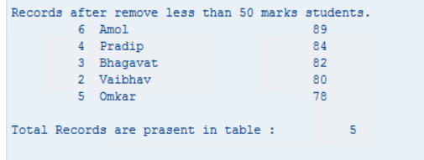
 |  |  |  |  |  |  |  |  |  | *Part 7 – Count *Q7: Count number of records using DESCRIBE TABLE and display count. DESCRIBE TABLE lt_Data LINES lv_lines. WRITE : /,/ 'Total Records are prasent in table :', lv_lines.

 |  |  |  |  |  |  | OUTPUT

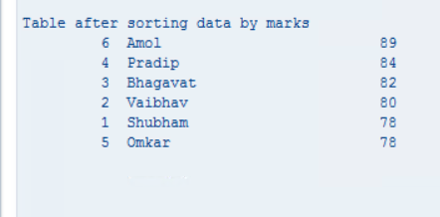
 |  |  |  | *Part 4 – Sort *Q4: Sort table by MARKS in descending order and display. SORT lt_data by marks DESCENDING. write : /,/ 'Table after sorting data by marks'. LOOP AT lt_data INTO lwa_data. WRITE :/ lwa_data-id, lwa_data-name, lwa_data-marks. ENDLOOP.

 |  |  |  |  |  |  |  | OUTPUT

 |  |  |  |  | READ TABLE lt_data INTO lwa_data WITH KEY id = 3. IF sy-subrc = 0. WRITE : /,/ 'The Name of the student is found. Name : ', lwa_data-name. ELSE. WRITE : /,/ 'Not found any data'. ENDIF.

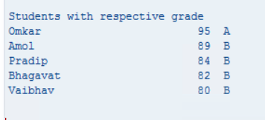
 |  |  |  |  |  |  |  |  | OUTPUT
 |  |  | OUTPUT
 |  |  |  |  |  | *Part 8 – Grade Logic *Q8: Assign grades: *>=90 A *>=75 B *>=50 C *Else Fail *Display Name, Marks, Grade. DATA grade TYPE c. write : /,/ 'Students with respective grade'. LOOP AT lt_data INTO lwa_data. IF lwa_data-marks >= 90. grade = 'A'. ELSEIF lwa_data-marks >= 75. grade = 'B'. ELSEIF lwa_data-marks >= 50. grade = 'C'. ELSE. grade = 'F'. ENDIF. WRITE : / lwa_data-name, lwa_data-marks, grade. ENDLOOP.
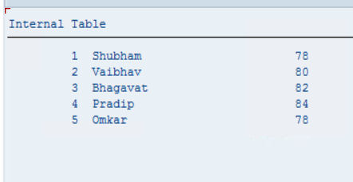
 |  | *Part 2 – Display *Q2: Display data using LOOP. *Output format: ID NAME MARKS LOOP AT lt_data INTO lwa_data. WRITE :/ lwa_data-id, lwa_data-name, lwa_data-marks. ENDLOOP.

